Introduction
This document contains mappings of the CIS Controls and Safeguards to National Cyber Security Centre (NCSC) Cyber Assessment Framework v3.1

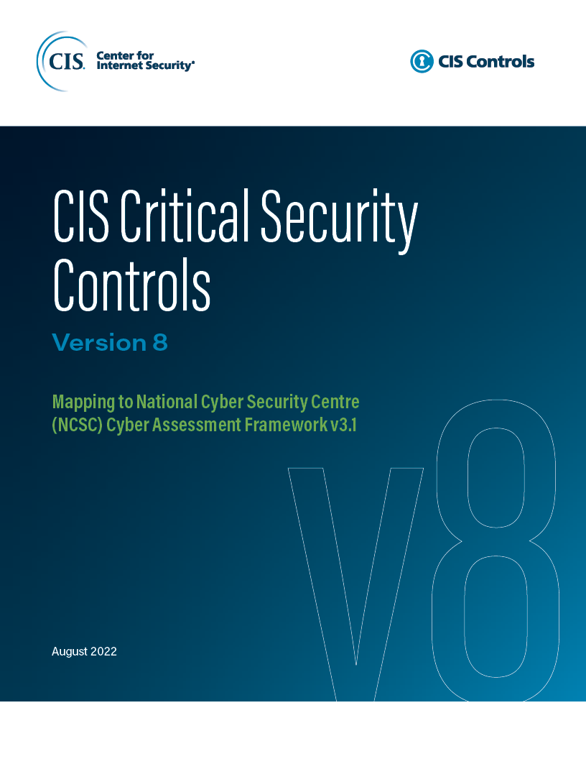

Contact Information
CIS
31 Tech Valley Drive
East Greenbush, NY 12061
518.266.3460
controlsinfo@cisecurity.org

Editors
Thomas Sager

Contributors

